Sheet1
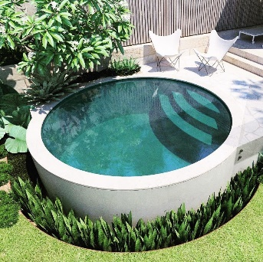
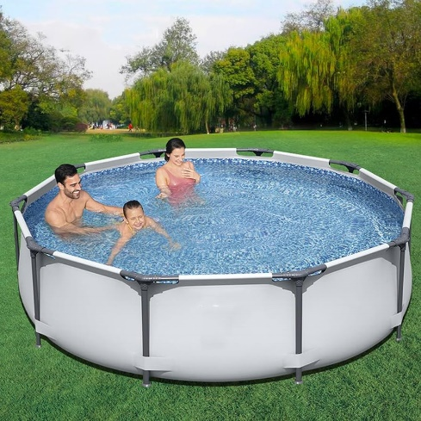

Pools in the Texas Hill Country lose about 3.5 inches of water per week because of evaporation. The below evaporation water loss calculation uses the squared radius of the pool in feet times pi which yeilds the surface square footage of the pool. Next multiply the pool's square footage times .6233 gallons, which yeilds the estimated gallons of water for a 1" evaporation decline from the pool's square footage. That result, times 3.5, yeilds one week of evaporation from your round pool. Insert your pool's diameter in the yellow cell below.
Round Swimming Pool Water Evaporation Loss Calculator
Pool Diameter in feet (ft) | 12 | Constants
Square Feet (Sq Ft) | 113.04 | 1" of rain/Sq Ft | 0.6233
Round Pool Evaporation Rate in Gallons |  | Pi | 3.14
Per Minute Loss | 0.02
Per Hour Loss | 1.32
Per Day Loss | 31.61
Per Week Loss | 221.24
Per Month Loss | 884.95
Per Year Loss | 10,619.40

