Sheet1
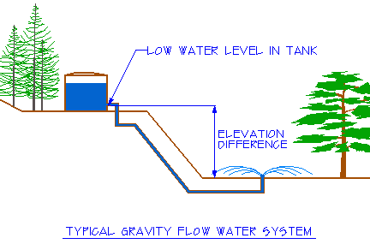
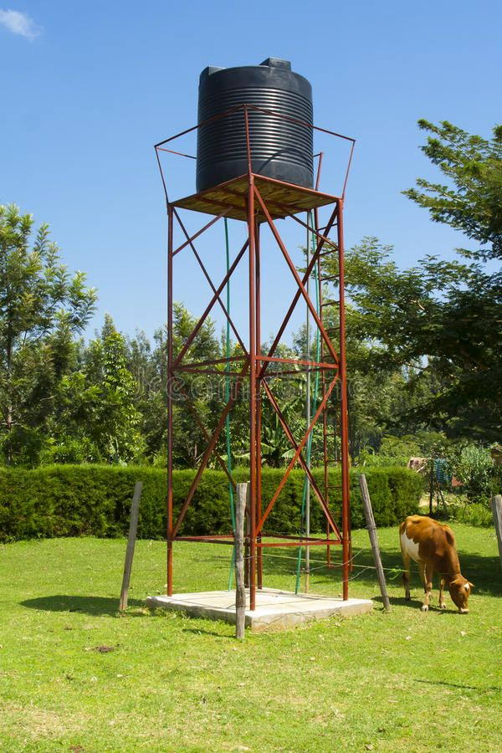

The pressure generated (PSI) from a column of water from a raised tank's out port--such as a tank placed on a hill or on a tower. To calculate water pressure (PSI) from the elevation difference of a water column, multiply the elevation difference (height in feet) by .433. Enter the elevation difference in the yellow cell below. Formula: P = .433*H Where P is pressure; .433 is a constant; H is elevation difference in feet

Pressure in PSI | Constant | Height in ft. | For examole: to obtain the 25 PSI needed for a drip irrigation system to work properly, the elevation difference must be at least 58 feet.
4.33 | 0.433 | 10

